Cover Page
STRICTLY FOR PIAS' FA REPRESENTATIVES REFERENCE ONLY
(NOT FOR CIRCULATION TO PROSPECTS OR CLIENTS)



Single Premium Whole Life Plan with Multiplier

Residency Code, Classification
China Taiping Infinite Legacy (II) / Infinite Elite Legacy (USD)
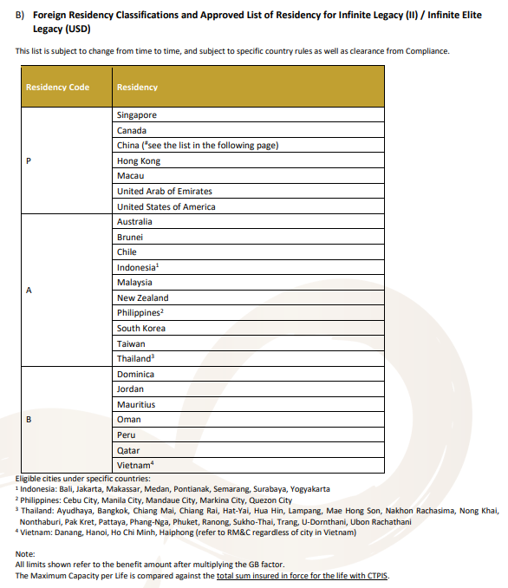

Etiqa Estem Legacy (II)
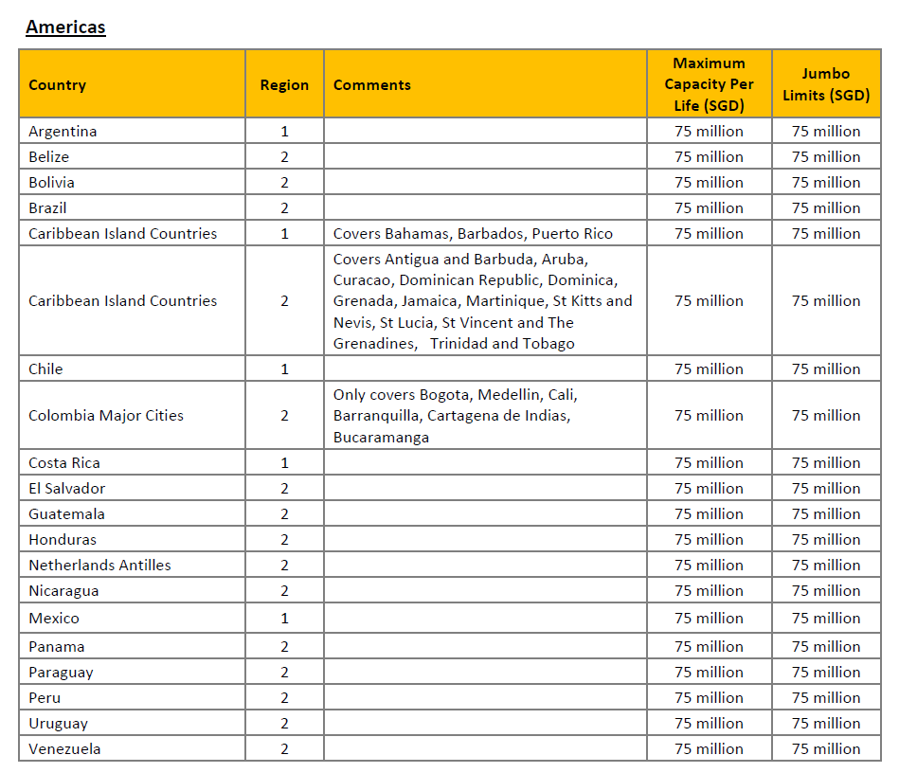
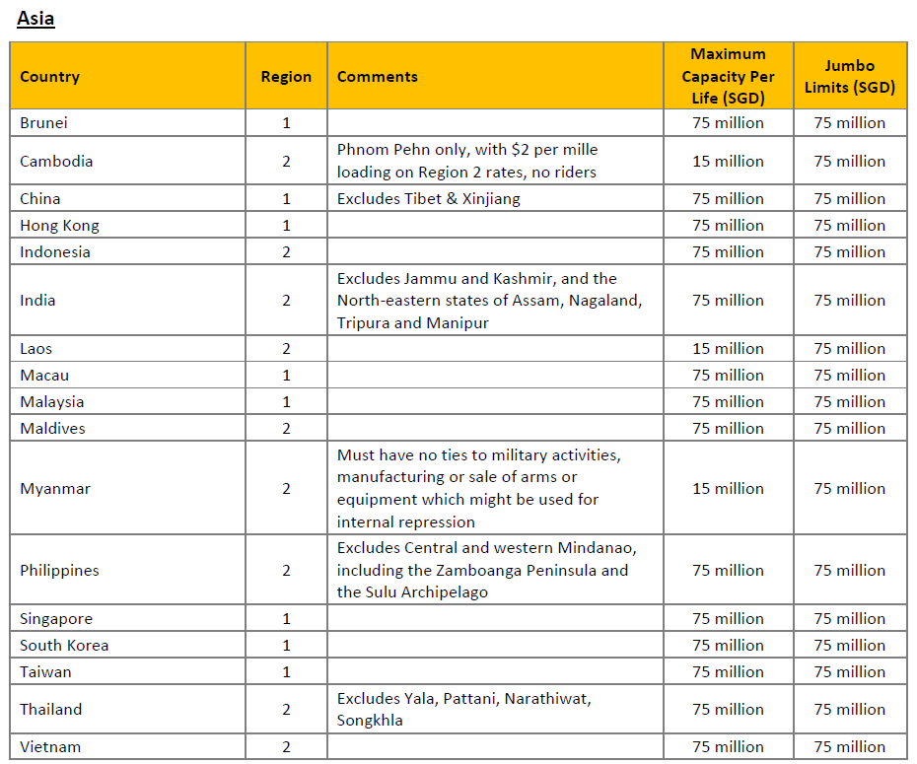

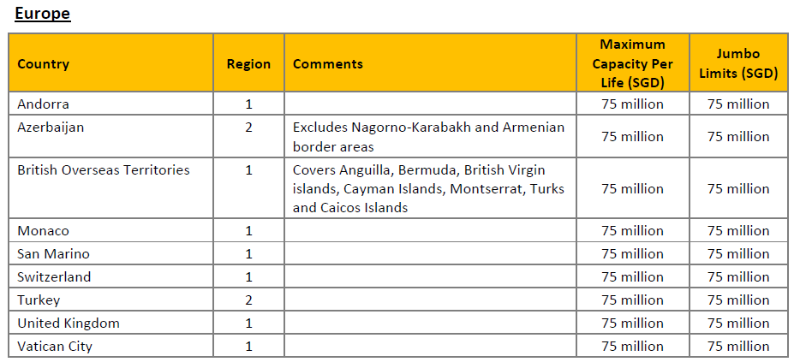
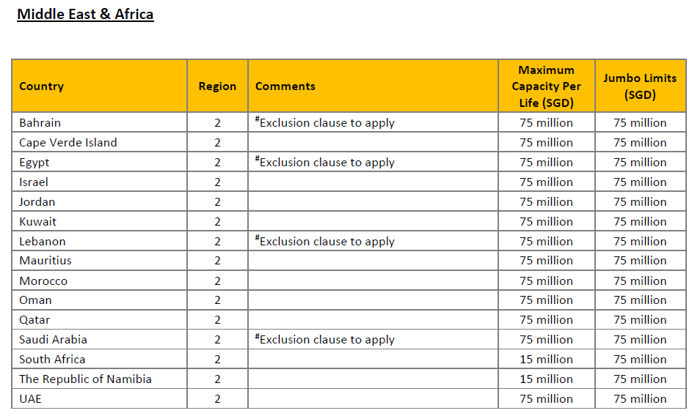

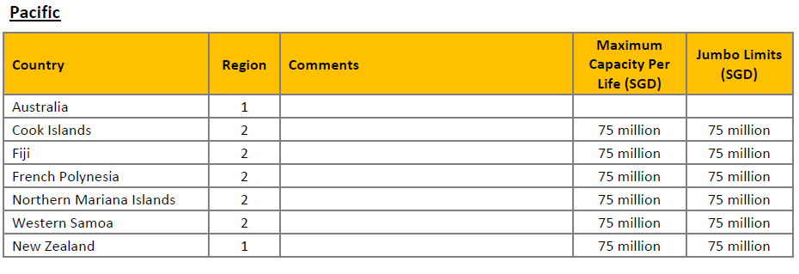

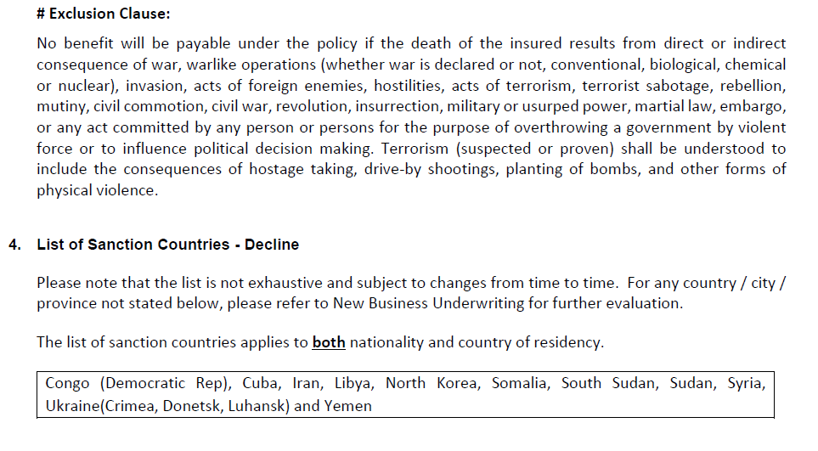

Income Provenance Solitaire
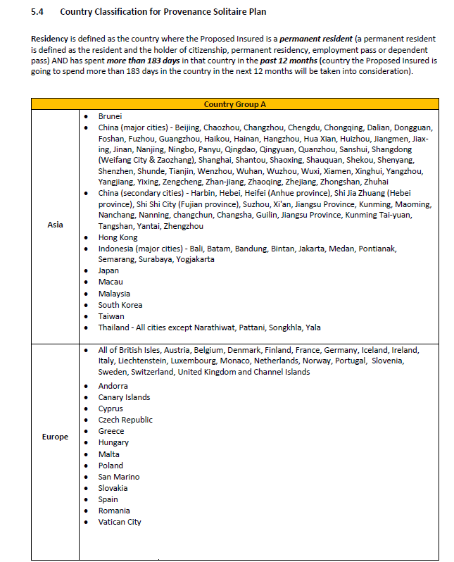

Manulife Signature Life (II)/Signaure Life (USD)

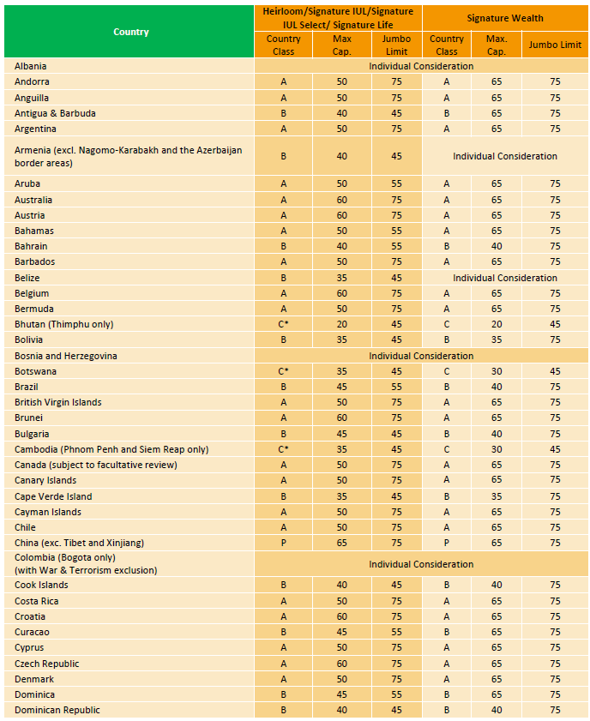
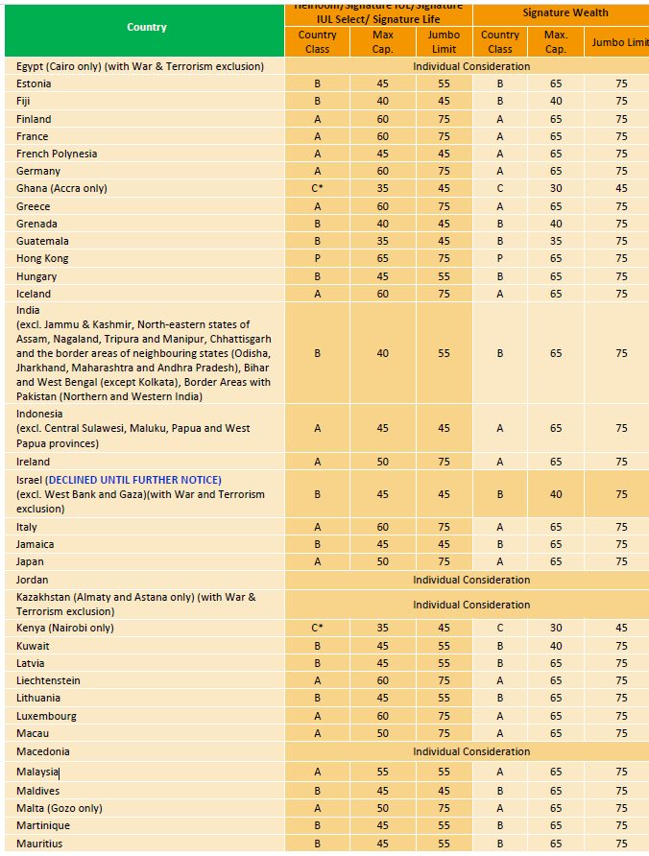
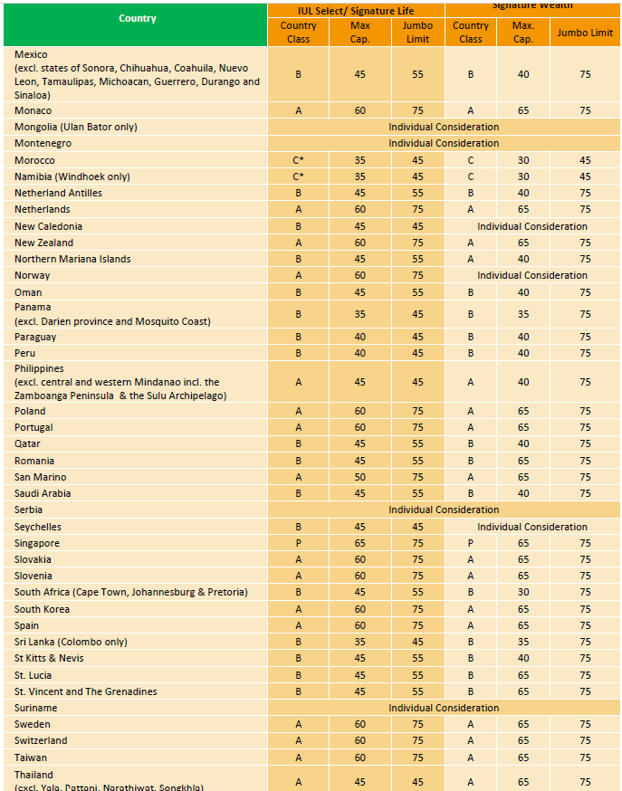
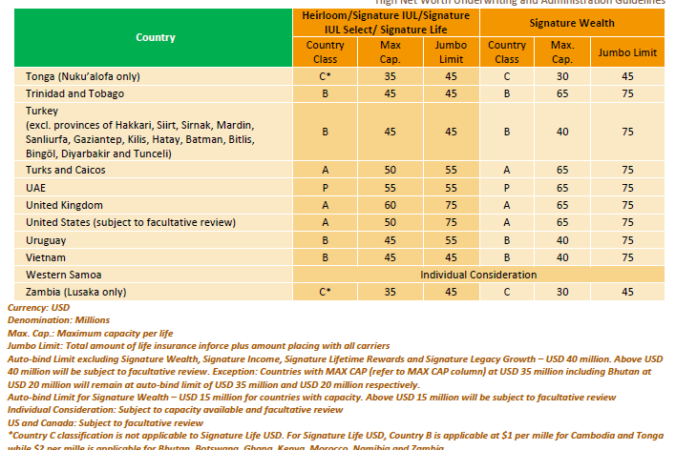

* Country Class A* refers to other countries under group A not in the list below (e.g. Argentina), NML will remain at US$2,000,000 or SG$2,800,000
Andorra
Anguilla
Australia
Austria
Belgium
Bermuda
British Virgin Islands
Brunei
Canada
Cayman Islands
Cyprus (Greek Cyprus only)
Finland
France
Germany
Greece
Iceland
Ireland
Italy
Japan
Republic of Korea (South Korea)
Liechtenstein

